Solution
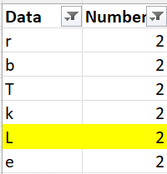

Considering only alphabets in column A2:A20, find the alphabet corresponding to 5th 2 in column B. Hence, you need to disregard all 2s appearing against non alphabets and then count 5th 2. Answer is L. as shown below
Data | Number
$ | 2
3 | 1
w | 1 | L
 | 2
r | 2
b | 2
% | 1
# | 1
T | 2
k | 2
r | 1
( | 1
v | 1
L | 2
 | 2
! | 2
t | 1
@ | 1
e | 2

